Title
National Policy, Strategy or Planning Costing Tool v2
 | v2 as of: 28-May-2020

 |  |  |  | Developed by Clinton Health Access Initiative (CHAI) for ATscale, Global Partnership for Assistive Technology

 |  |  | DISCLAIMERS
 |  | This is an open-source tool - users please note that any changes in the structure or formulas may result in errors.
 |  | Some default data are available in the tool, please ensure before using that they are the most accurate for your country.

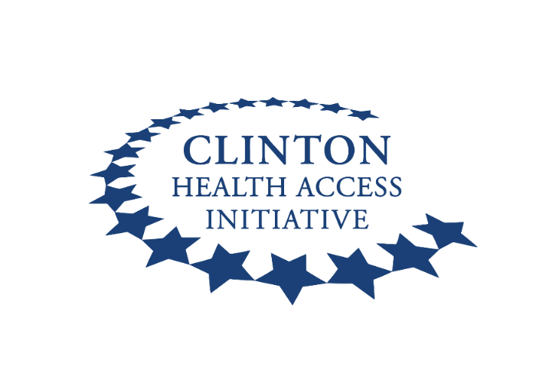

Graphs
National Policy, Strategy or Planning Costing Tool v2
Malawi
National population: |  | 19,129,955

 | Training and Development Costs | Supervision and Management Costs | Other Recurrent Costs | Staff Costs
2021 | 45,000,000 | 53,750,000 | 735,460,000 | 5,900,000
2022 | 31,500,000 | 32,000,000 | 242,530,000 | -
2023 | - | 32,000,000 | 57,600,000 | -
2024 | - | 32,000,000 | 57,600,000 | -
2025 | - | 32,000,000 | 57,600,000 | -
 | Costs by cost category, MWK |  |  |  | Costs by thematic area, MWK
 | Institutional Governance Strengthening and Coordination | Financing for MR Services | Human Resources for MR | MR Service Delivery | Assistive Technology
2021 | 306,030,000 | 94,730,000 | - | - | 439,350,000
2022 | 306,030,000 | - | - | - | -
2023 | 89,600,000 | - | - | - | -
2024 | 89,600,000 | - | - | - | -
2025 | 89,600,000 | - | - | - | -

 | Total Cost by Thematic Area, MWK |  | Select: | Institutional Governance Strengthening and Coordination | Institutional Governance Strengthening and Coordination
2021 | 306,030,000
2022 | 306,030,000
2023 | 89,600,000
2024 | 89,600,000
2025 | 89,600,000
 | Training and Development Costs | Supervision and Management Costs | Other Recurrent Costs | Staff Costs | Cost Category5 | Cost Category6 | Cost Category7 | Cost Category8
2021 | 31,500,000 | 32,000,000 | 242,530,000 | - | - | - | - | -
2022 | 31,500,000 | 32,000,000 | 242,530,000 | - | - | - | - | -
2023 | - | 32,000,000 | 57,600,000 | - | - | - | - | -
2024 | - | 32,000,000 | 57,600,000 | - | - | - | - | -
2025 | - | 32,000,000 | 57,600,000 | - | - | - | - | -

 | Funding by cost category, MWK |  |  |  | Funding by donor, MWK
 | Training and Development Costs | Supervision and Management Costs | Other Recurrent Costs | Staff Costs
2021 | 45,000,000 | 53,750,000 | 294,184,000 | 5,900,000
2022 | 15,750,000 | 16,000,000 | 121,265,000 | -
2023 | - | 32,000,000 | 40,320,000 | -
2024 | - | 32,000,000 | 46,080,000 | -
2025 | - | 32,000,000 | 57,600,000 | -
 | MoH | Donor1 | Donor2
2021 | 294,184,000 | 45,000,000 | 53,750,000
2022 | 121,265,000 | 15,750,000 | 16,000,000
2023 | 40,320,000 | - | 32,000,000
2024 | 46,080,000 | - | 32,000,000
2025 | 57,600,000 | - | 32,000,000

 | Funding Gaps, by cost category, MWK
 | Training and Development Costs | Supervision and Management Costs | Other Recurrent Costs | Staff Costs
2021 | - | - | (441,276,000) | -
2022 | (15,750,000) | (16,000,000) | (121,265,000) | -
2023 | - | - | (17,280,000) | -
2024 | - | - | (11,520,000) | -
2025 | - | - | - | -

